JET Buydown Subsity Calculator
Buydown Subsidty Calculator
 | Total Monthly Payment |  | Monthly Buydown Subsidy
Payment 1-12 |  |  | $0.00
Payment 13-24 |  |  | $0.00
Payment 25+

 | "Buydown Subsidy": |  | $0.00

Instructions

Once you have completed your loan file, priced, it out and selected the rate got to Disclosures TRID/Loan Terms (in LQB)

Scroll down to the section for "Buydown Mortgage" and complete the following as such:

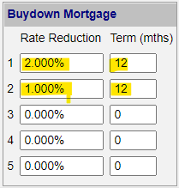

 |  | Line 1, put 2% and term of 12 months

 |  | Line 2, put 1% and term of 12 months

Scroll up to the Pmnt Schedule section:
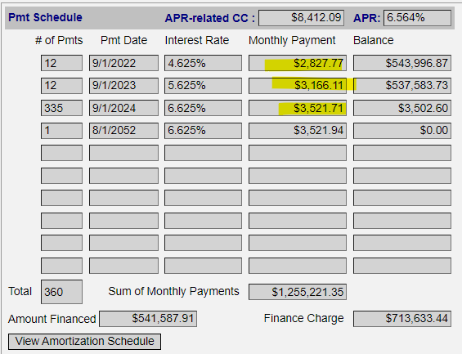

 |  |  |  | This top number is payment 1-12
 |  |  |  | The second is payment 13-24
 |  |  |  | The third is 25+

 |  |  |  | These are the numbers you imput
 |  |  |  | on the Buydown Subsidy Calculator

 |  |  |  | This amount is to be paid/credited by the
 |  |  |  | Seller/Builder and is deposited in to the
 |  |  |  | Buydown Subsidy Account at close

Investor: METAL

